Sheet1
 | Document No. |  | Issue No. | Issue Date |  |  | Review and Replace Date |  | Authorised By
 | GFF571MC |  | 1 | 14.08.2026 |  |  | New Issue
 | Document Title |  | Mini Chicken Curry with Pilau Rice 240g
 |  |  |  |  |  |  |  |  | Magda Shah
Document amendments reason for change | New Launch |  |  | Page 1 of 1 |  | Previous Issue Date |  | New Issue | Uncontrolled copy unless signed original

Chicken to be brought into H/R on day of packing
FCCUR-1R10TOA |  | Oakhouse |  |  | Mini Chicken Curry with Pilau Rice 240g
STEP 1 |  |  |  |  | STEP 2
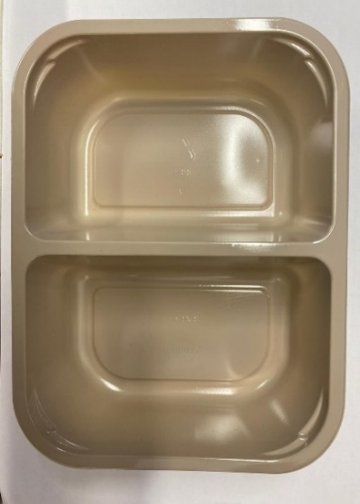 |  |  |  |  | 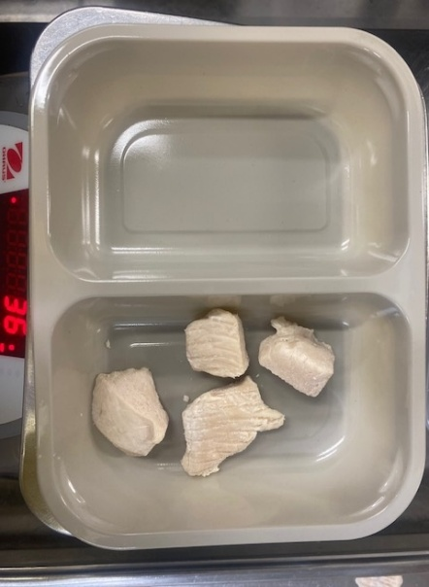

PACK DAY + 1 YEAR
NON-MAP PACK

Tray: EVOLVE CPET 2200-2B (PKRHP001-11) |  |  |  |  | 20-25mm Steam Cooked Diced Chicken (RMVES001-01 / RMFOO002-03/ RMJAN001-03): 35g

Film: K peel 7G+25A/f- 275mm (275 mmX1000)(PKKMP001-03)

STEP 3 |  |  |  |  | STEP 4
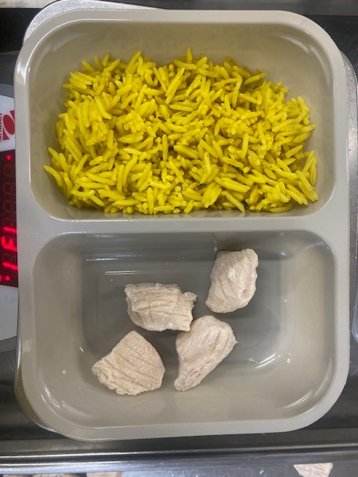 |  |  |  |  | 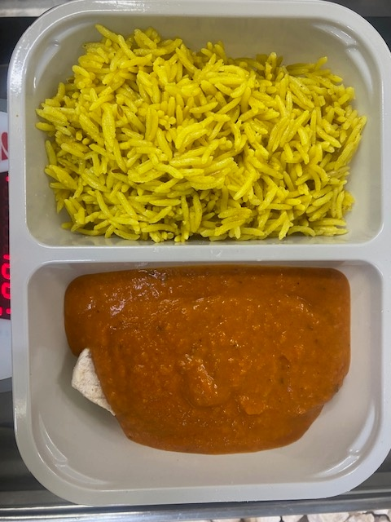

Special Pilau Rice-GFF520R : 90g |  |  |  |  | Curry Sauce -GFF527R: 115g
 |  |  |  |  | TOTAL WEIGHT: 240G
ALLERGY ALERT: MILK, MUSTARD

